Info
Growth Assay OD-GFP-RFP

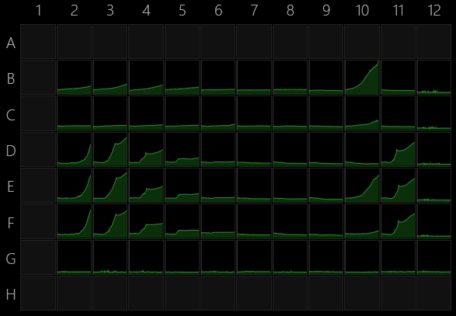
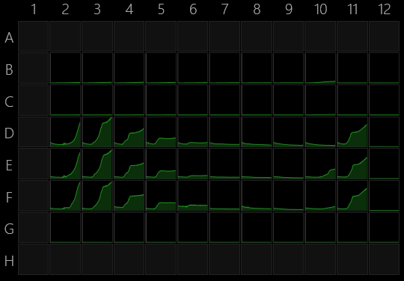
6/17/22

Assay was aborted before completion.

Info

Instrument
Instrument serial number | 3210324
Instrument firmware version | 107

Software
Version | 1.2.1.0

Plate
Wells | 96 (8x12)
Manufacturer | General
Name
A1 offset (µm) | 14380;11240
Well distance (µm) | 9,000
Well diameter (µm) | 6,500

Operations |  | absorbance |  |  |  |  |  |  |  |  |  | GFP (p fluorescens)

Kinetics by plate
Cycles | 450
Interval (s) | 600
Shake | Fast orbital

Temperature control
Technology | Temperature control |  |  |  | Acetate concentration (mM)
Switch heating off | No |  |  |  | 100 | 50 | 25 | 12.5 | 6.25 | 3 | 1.5 | 0.75 | 5 mM maltose | 8 mM 4HB | 0:0
Set target temperature | 30 |  |  |  | 2 | 3 | 4 | 5 | 6 | 7 | 8 | 9 | 10 | 11 | 12
Wait for warming to target temperature | No |  | mRuby EC | B |  |  |  |  |  |  |  |  |  |  | Media
Wait for cooling to target temperature | No |  | ACS EC | C | Unhealthy ACS cells, ignore these wells |  |  |  |  |  |  |  |  |  | Media
 |  |  | PF | D |  |  |  |  |  |  |  |  |  |  | Media
Absorbance |  |  | PF:mRuby | E |  |  |  |  |  |  |  |  |  |  | Media
Technology | Absorbance |  | PF:ACS | F | Unhealthy ACS cells, ignore these wells |  |  |  |  |  |  |  |  |  | Media
Flashes | 25 |  |  |  |  |  |  |  |  |  |  |  |  |  | Media
Calculation | OD(590)

Fluorescence
Technology | Fluorescence
Excitation | 485/10 nm
Excitation aperture | Default
Emission | 535/20 nm
Emission aperture | Default
Mirror | Automatic
Flashes | 25
Lamp power | Default
Read mode | Top
Focus (mm) | Default
PMT voltage | Default

Fluorescence 1
Technology | Fluorescence
Excitation | 544/20 nm
Excitation aperture | Default
Emission | 590/20 nm
Emission aperture | Default
Mirror | Automatic
Flashes | 25
Lamp power | Default
Read mode | Top
Focus (mm) | Default
PMT voltage | Default

End kinetics

Temperature control 1
Technology | Temperature control
Switch heating off | Yes

